Hull Plots
gasdem-EUCO |  |  | gasdem-ST | gasdem-DG | gasdem-EVP
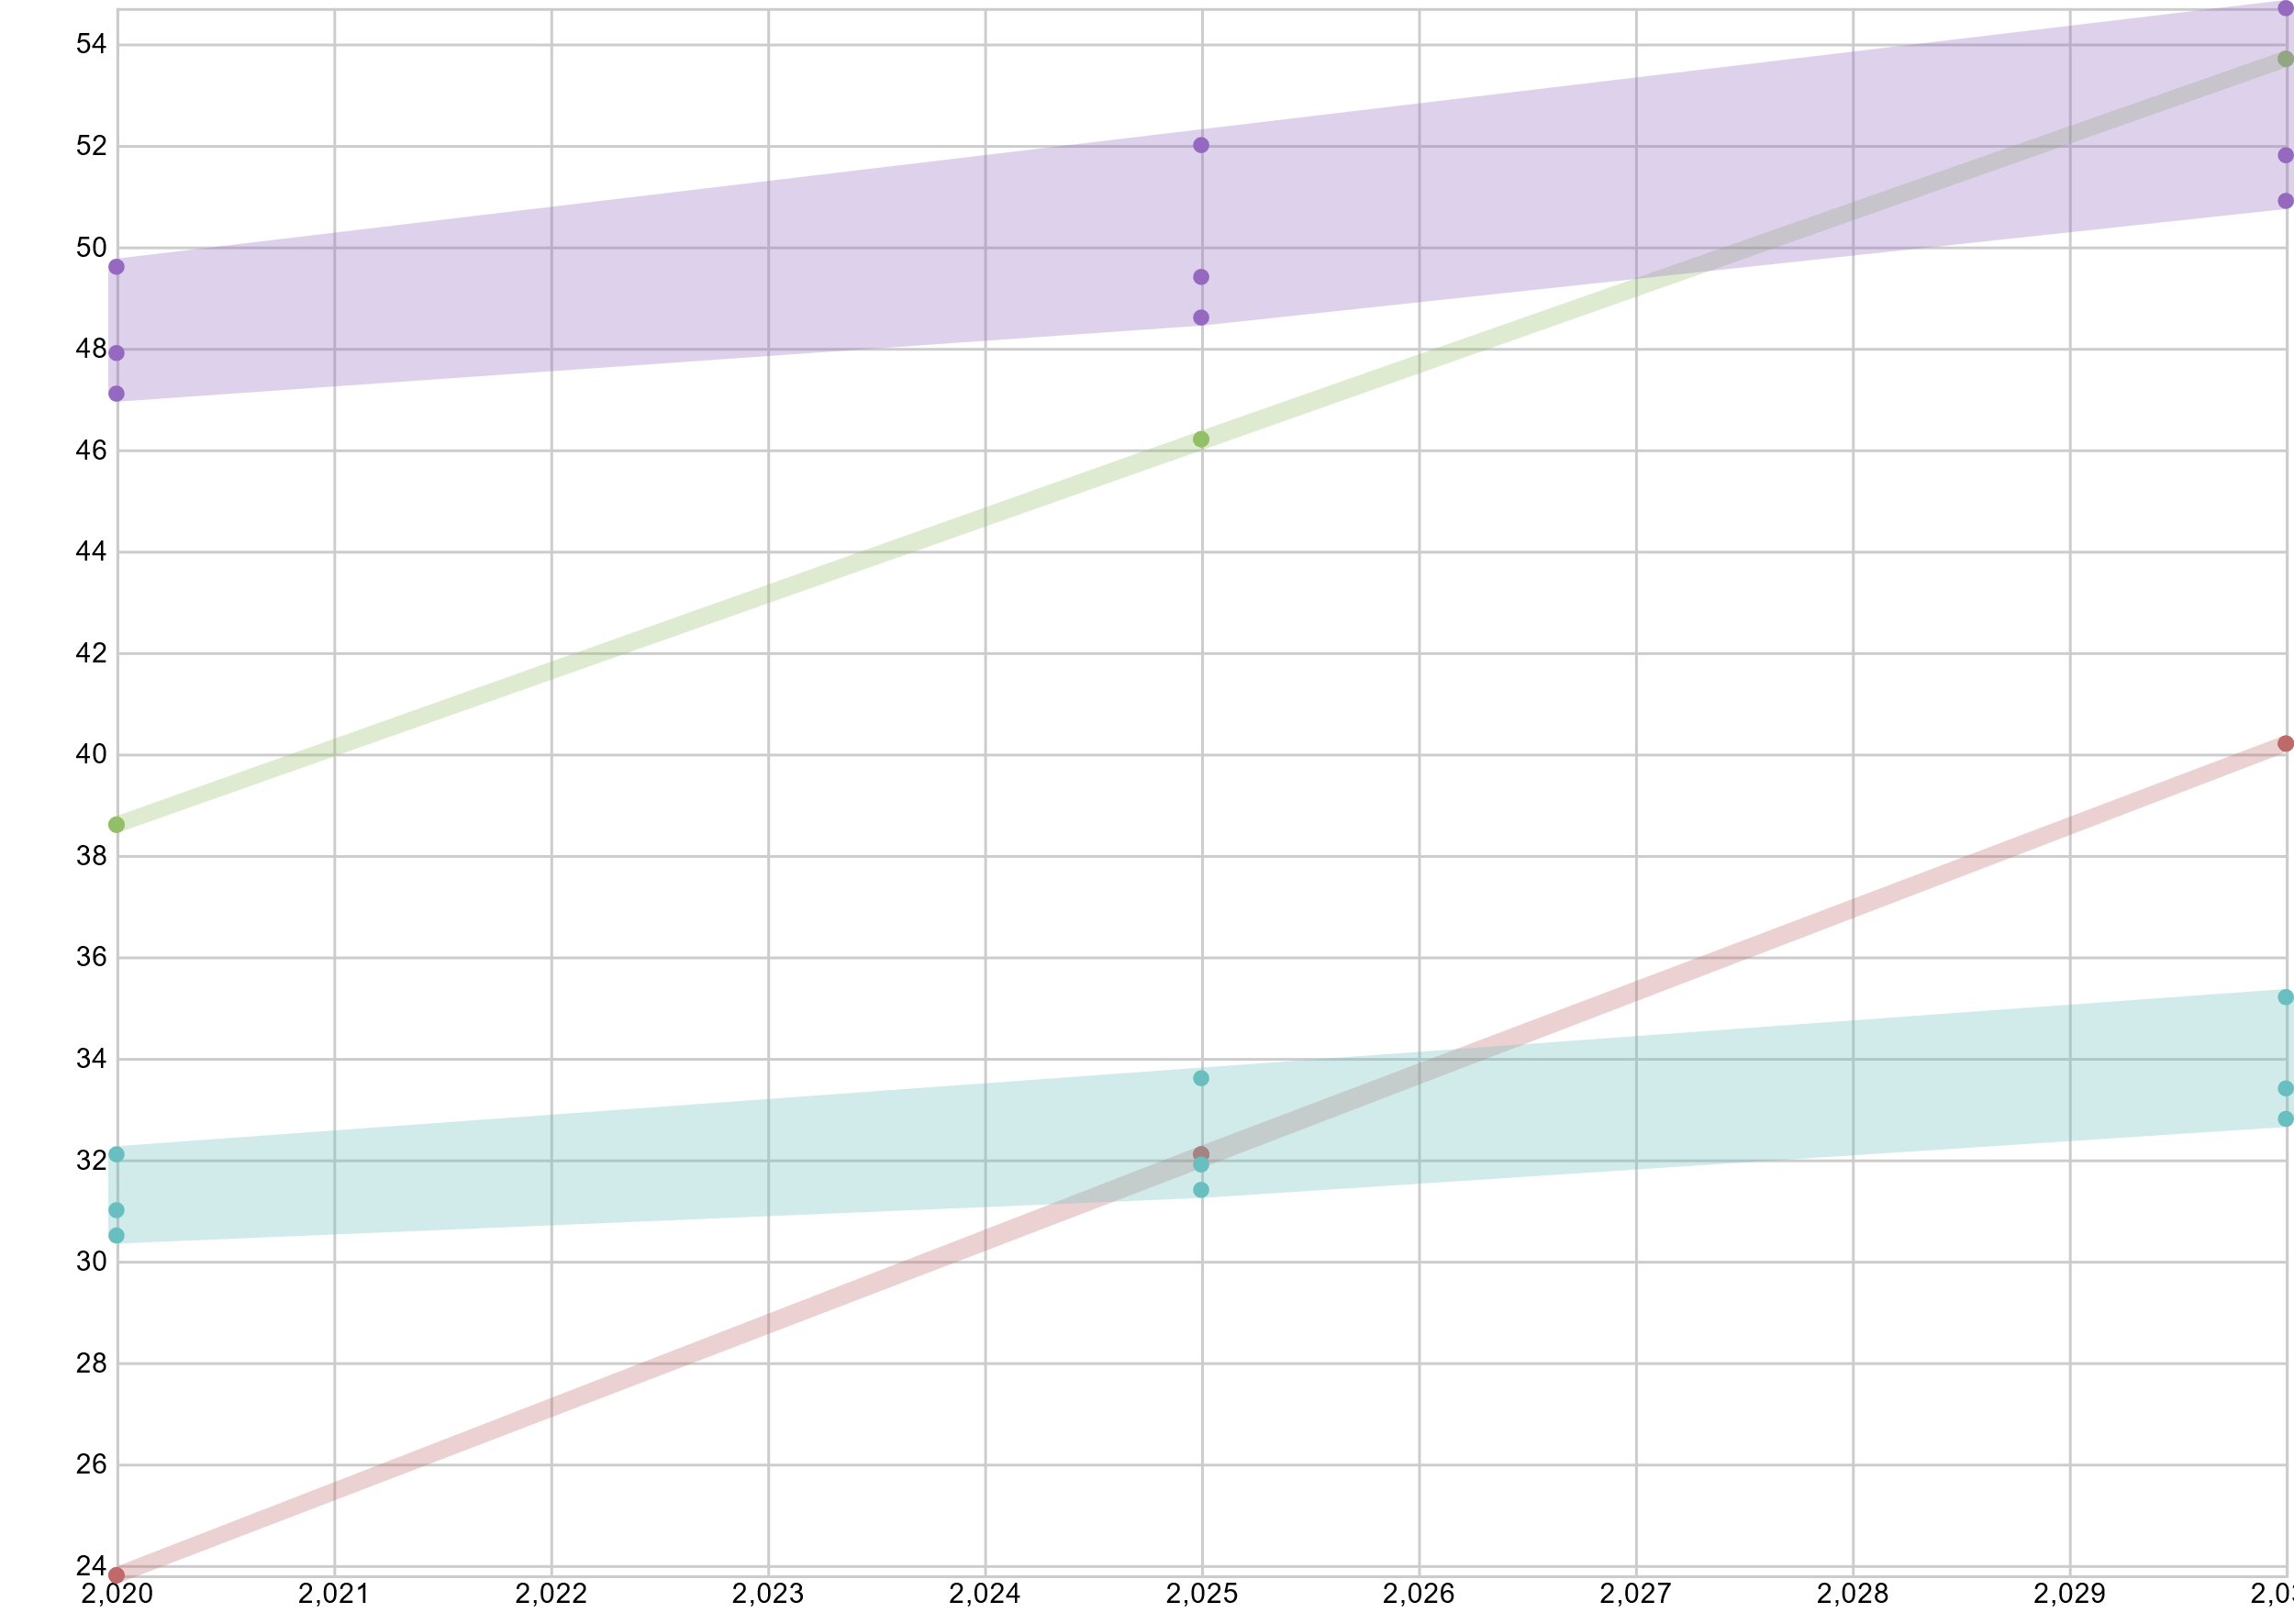 |  |  | 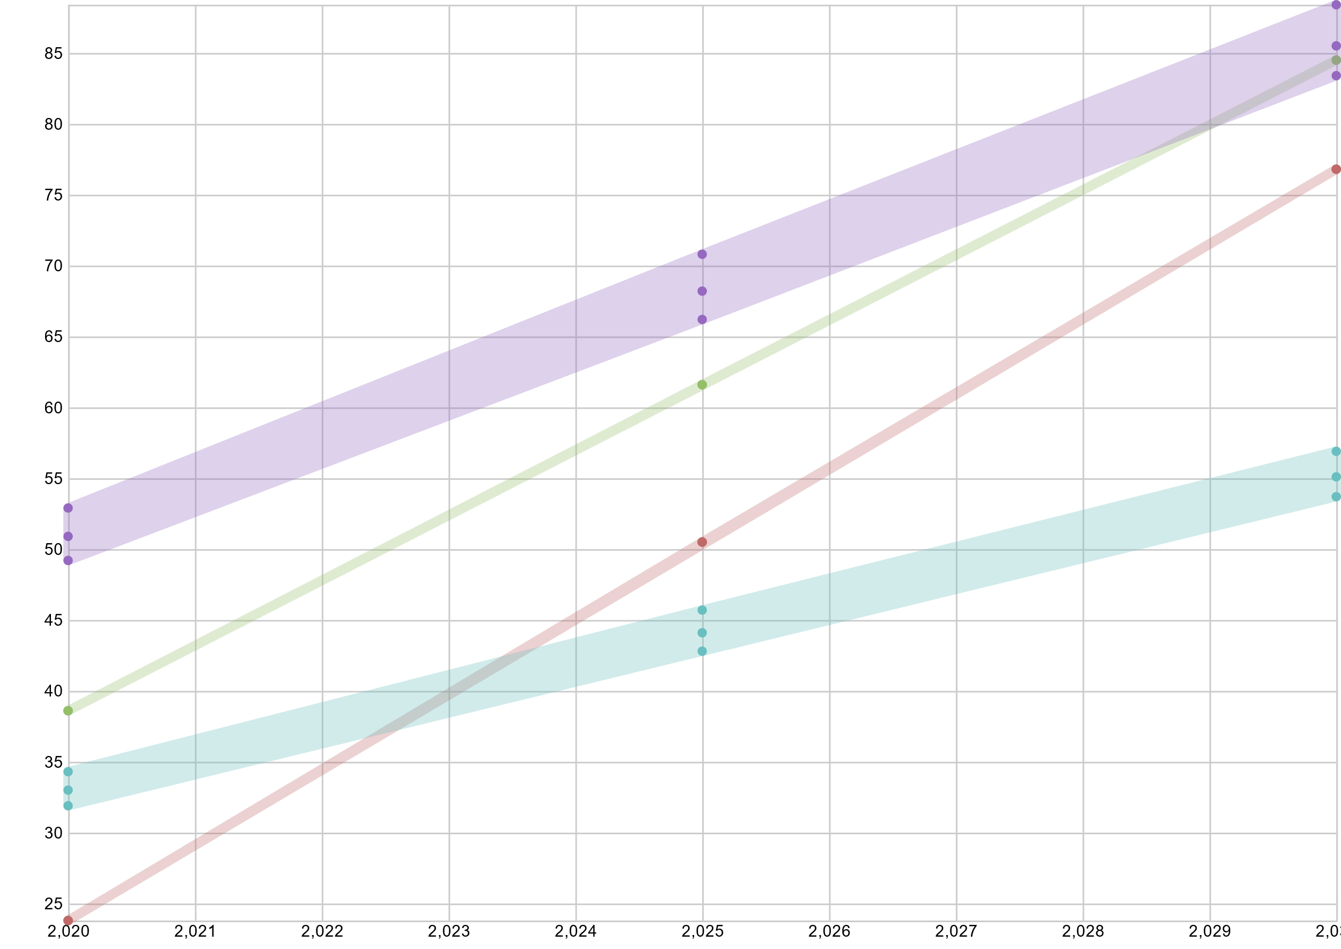 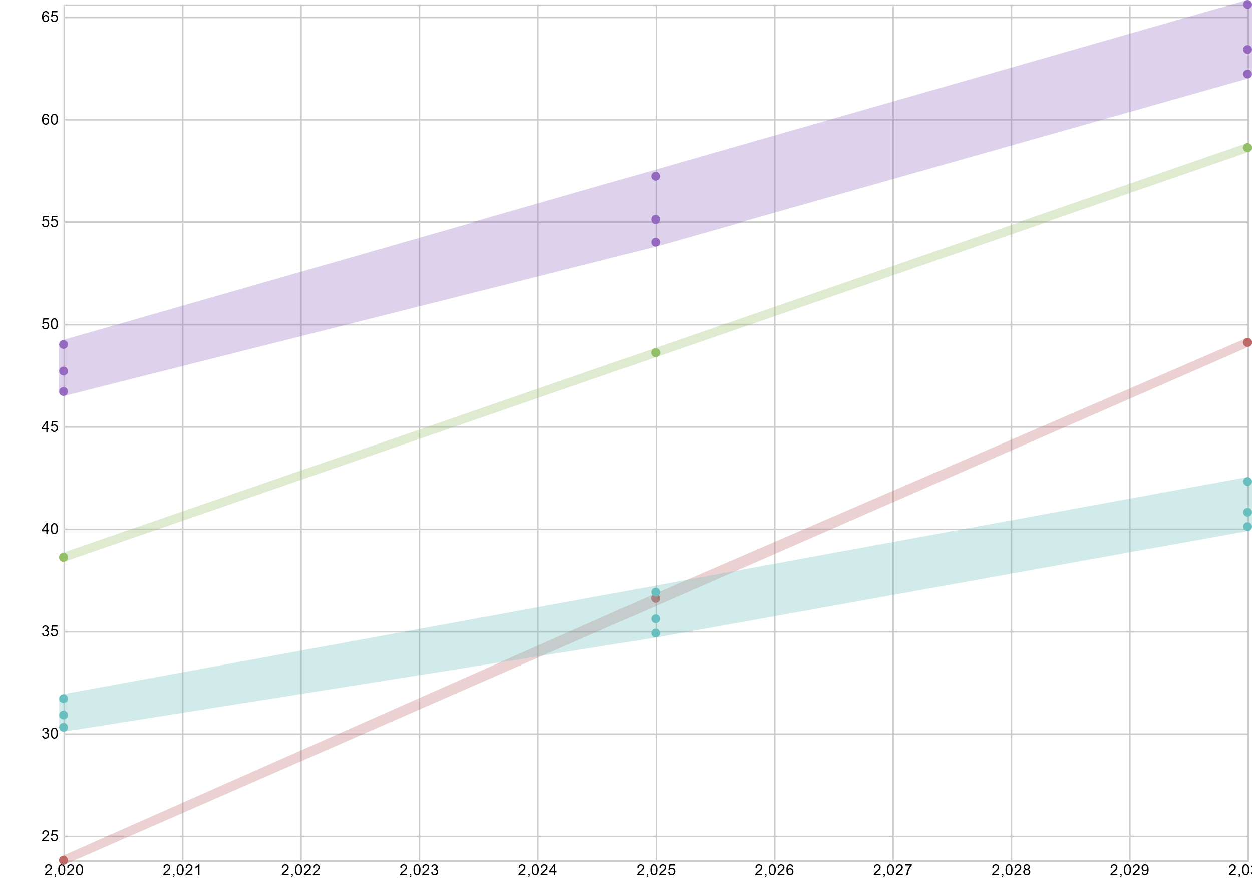 | 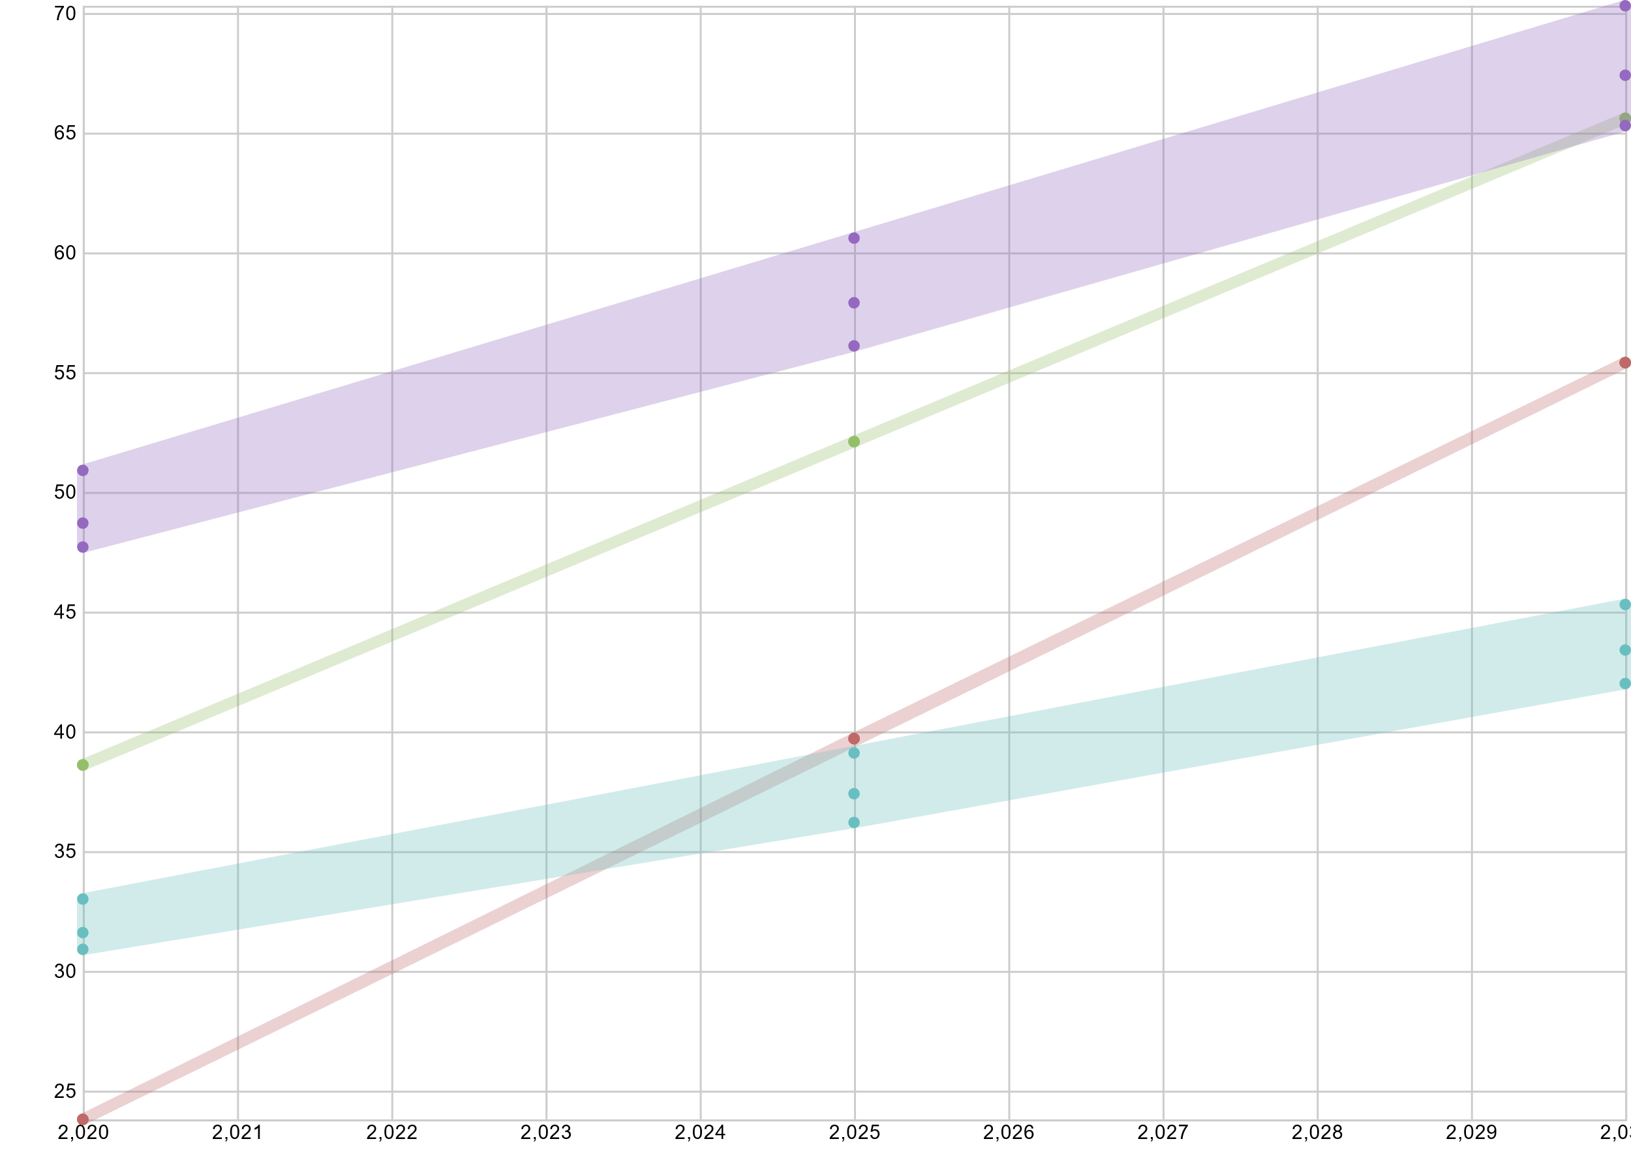

co2-EUCO |  |  | co2-ST | co2-DG | co2-EVP
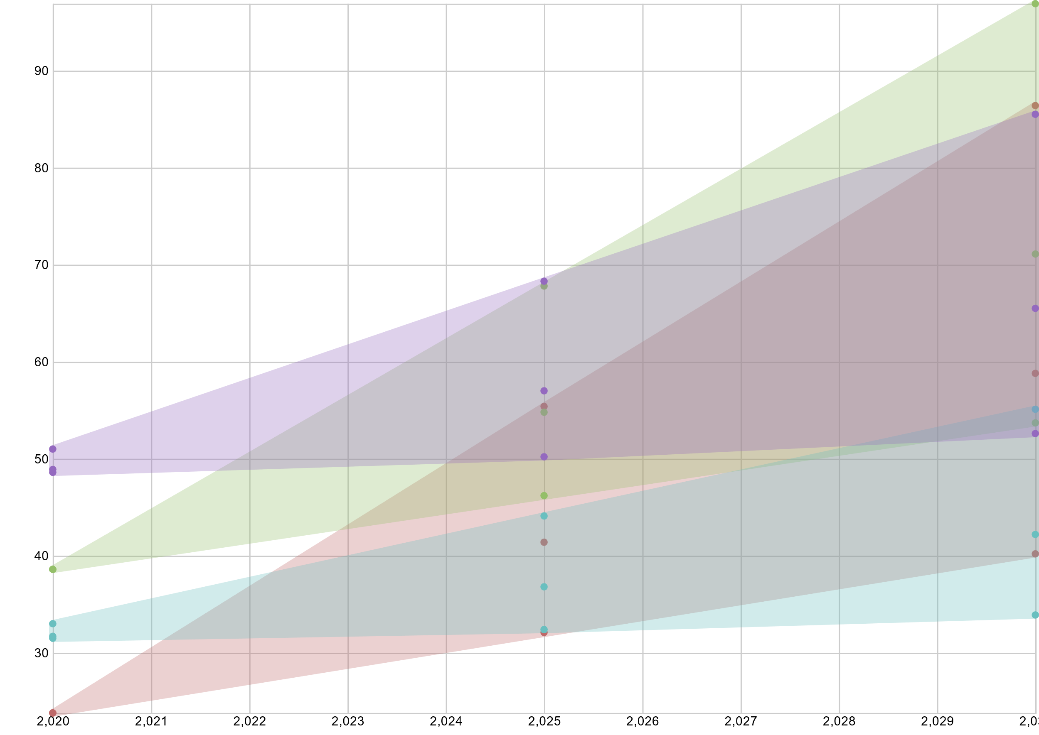 |  |  | 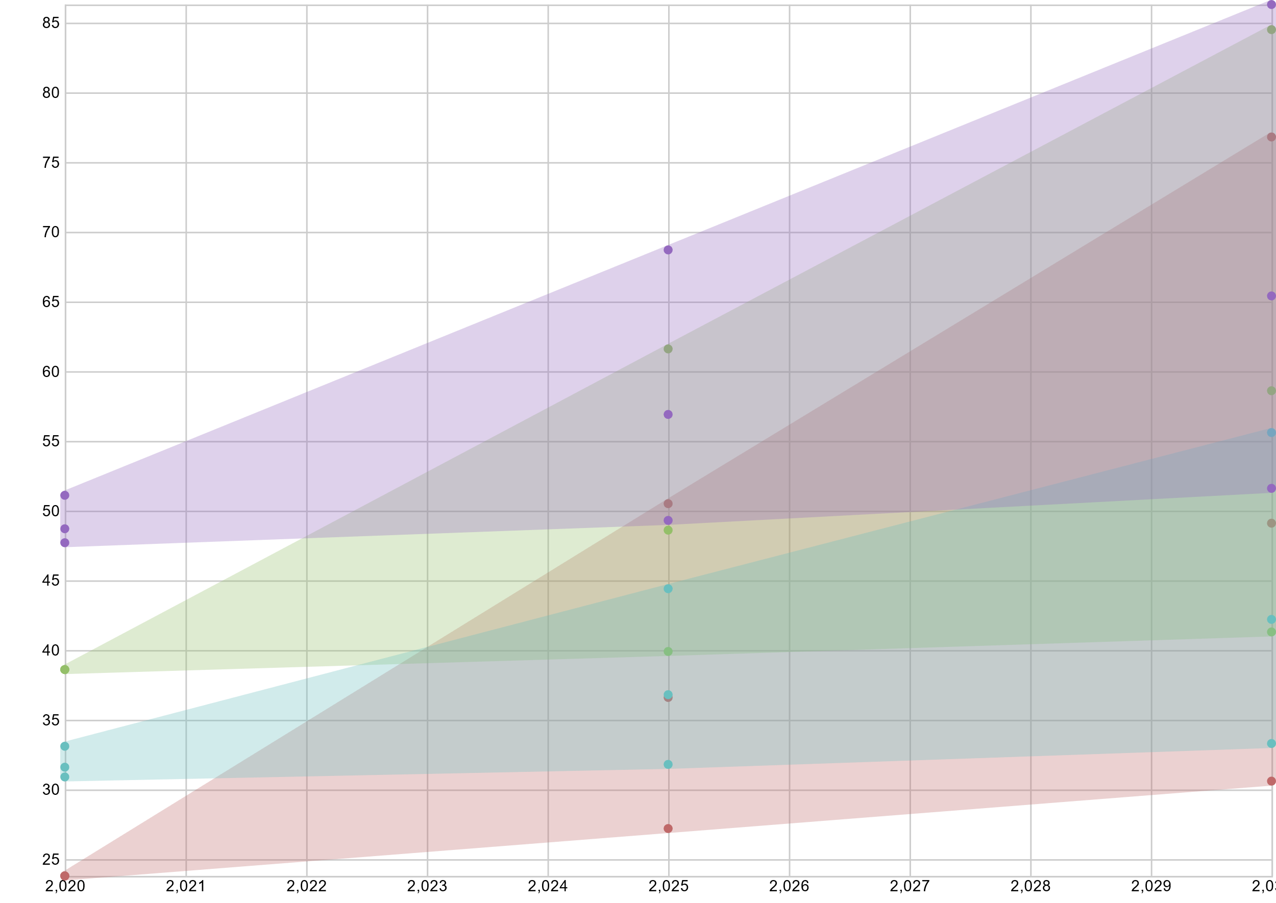 | 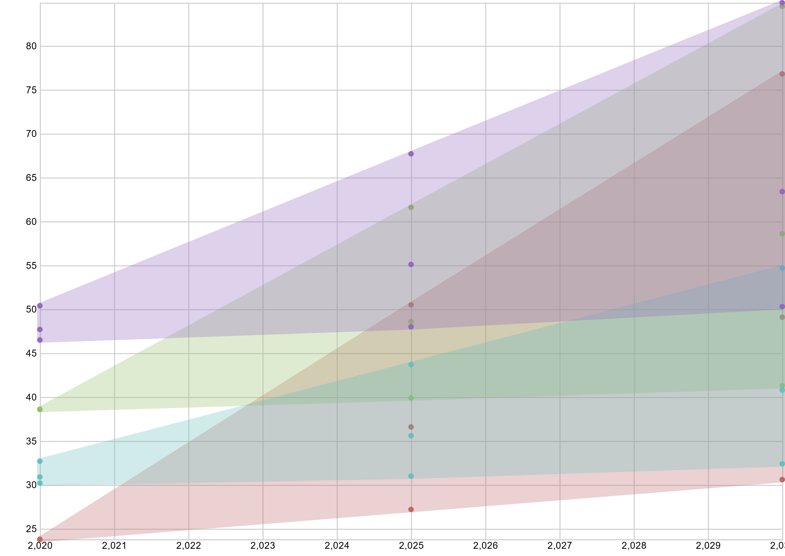 | 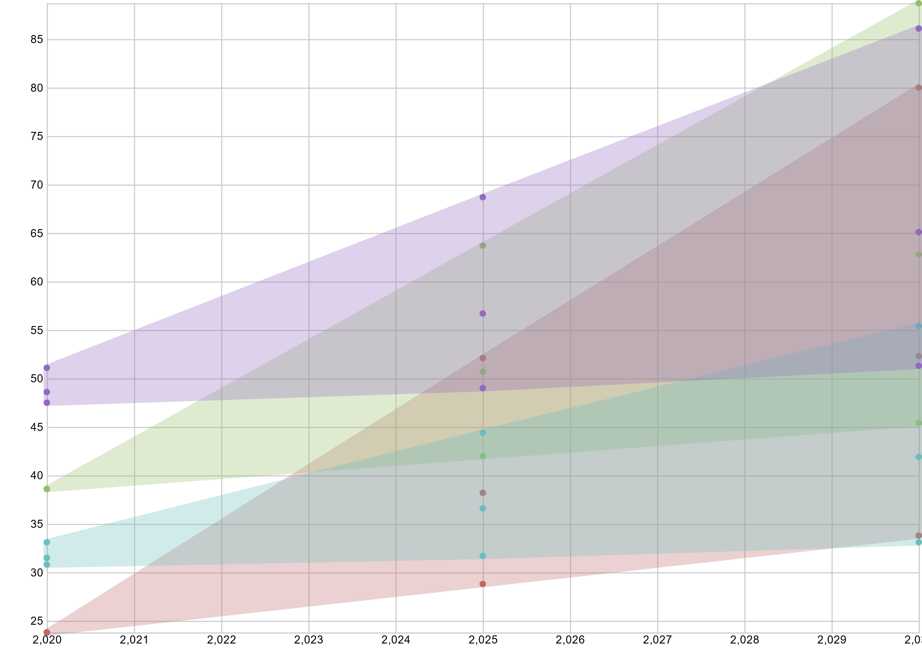

fuel-EUCO |  |  | fuel-ST | fuel-DG | fuel-EVP
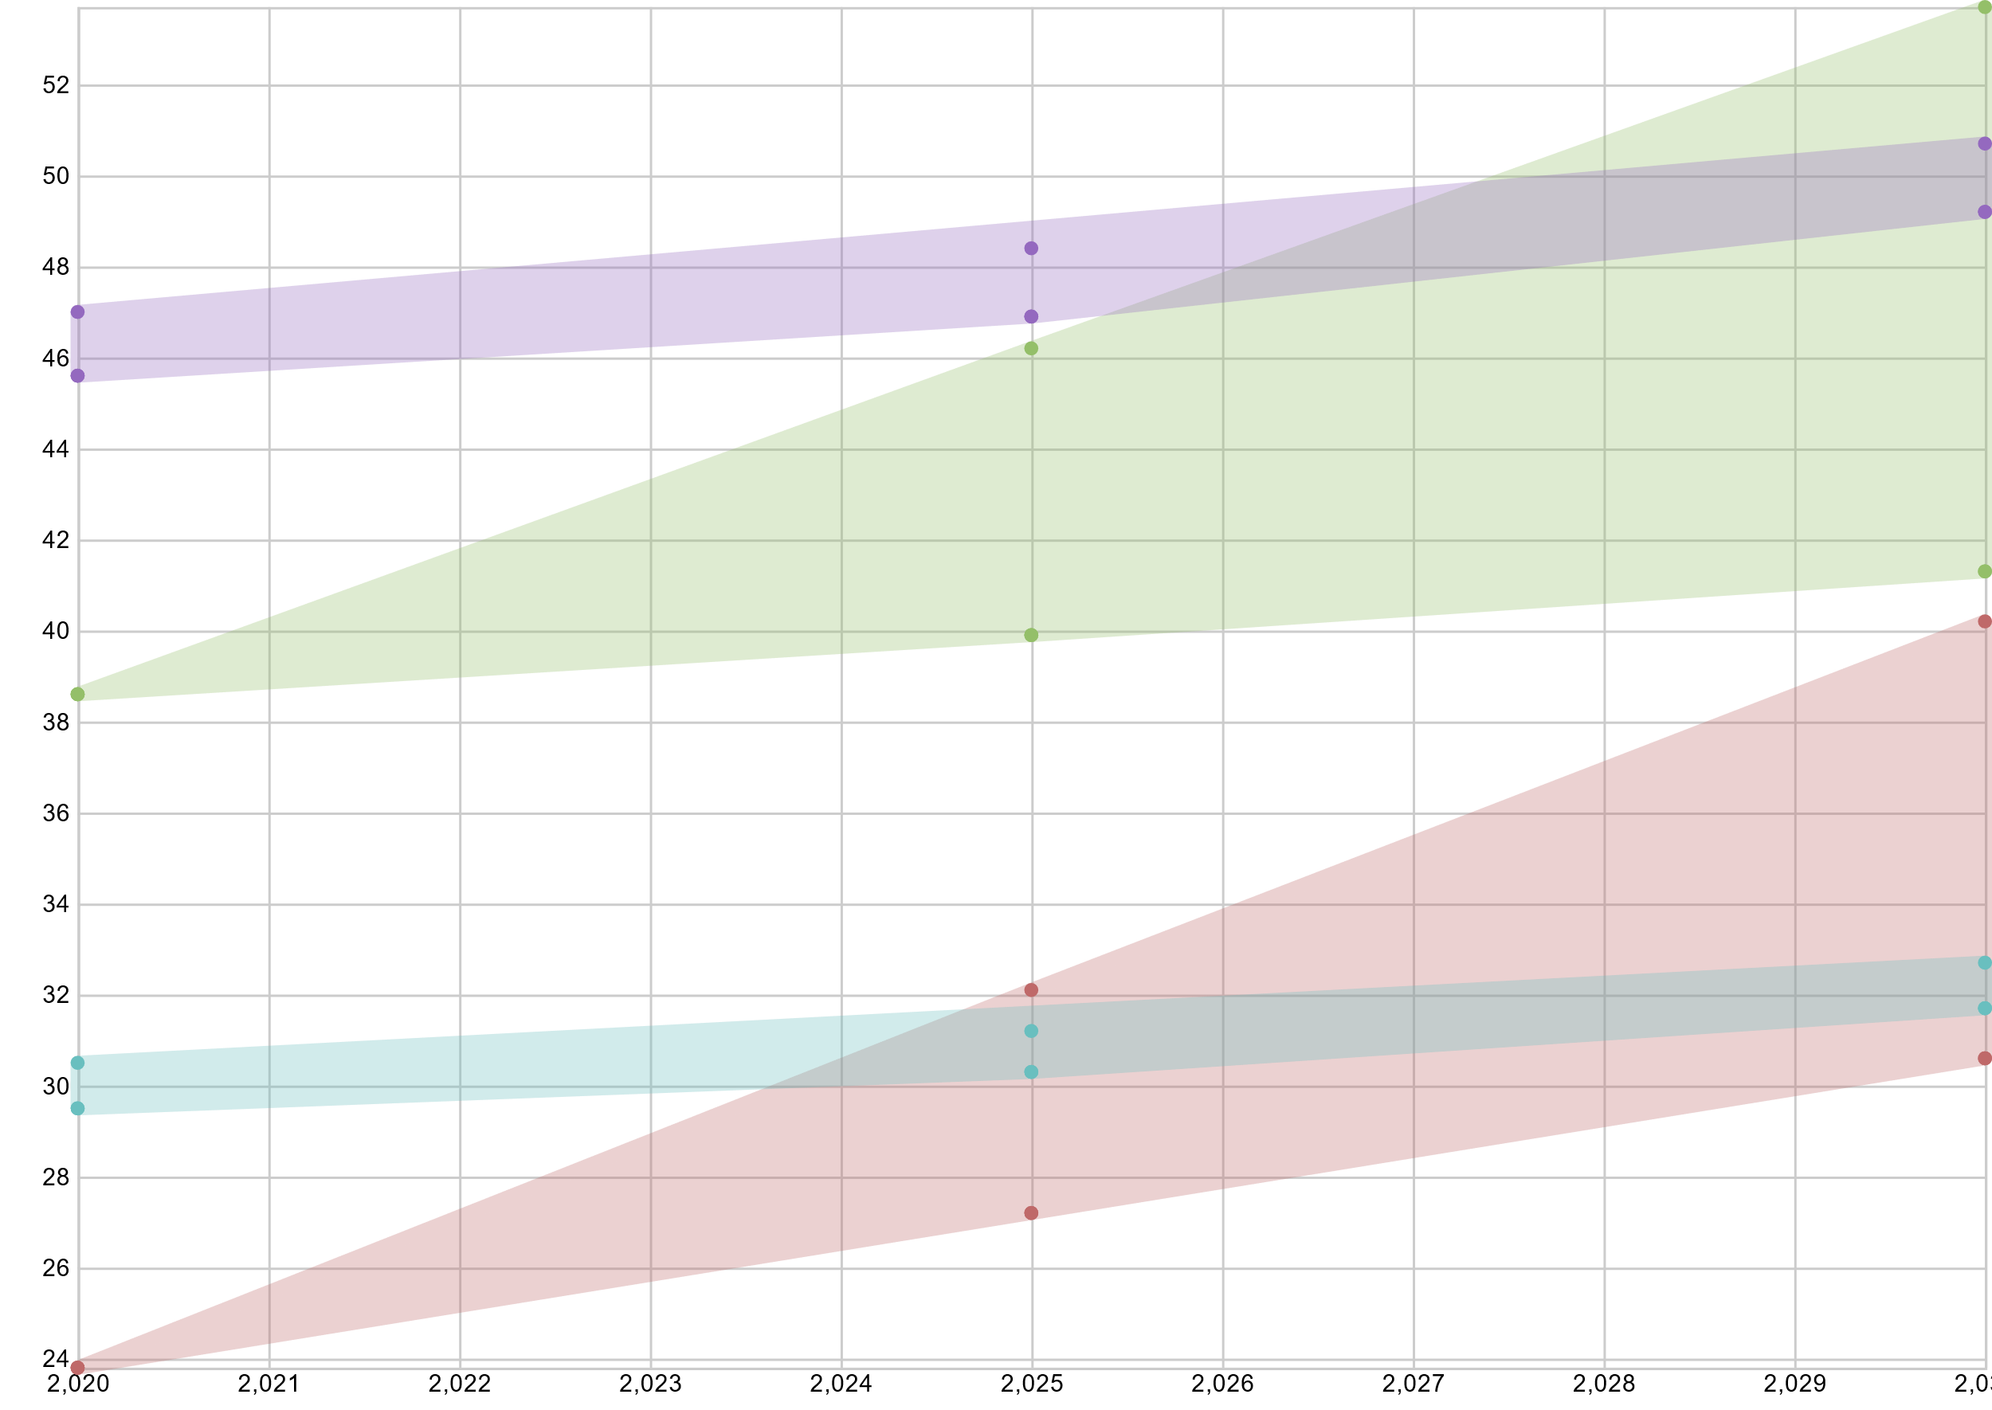 |  |  | 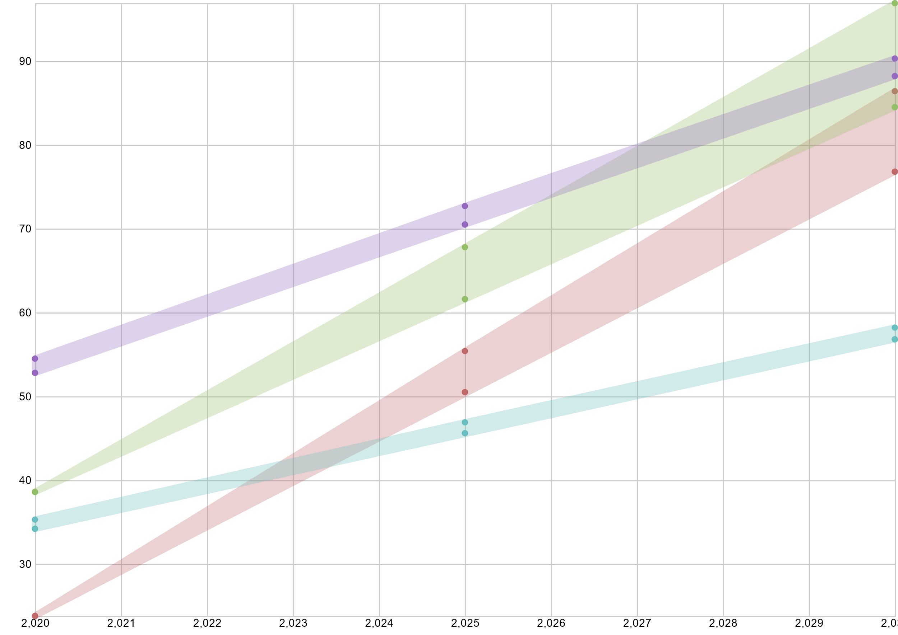 | 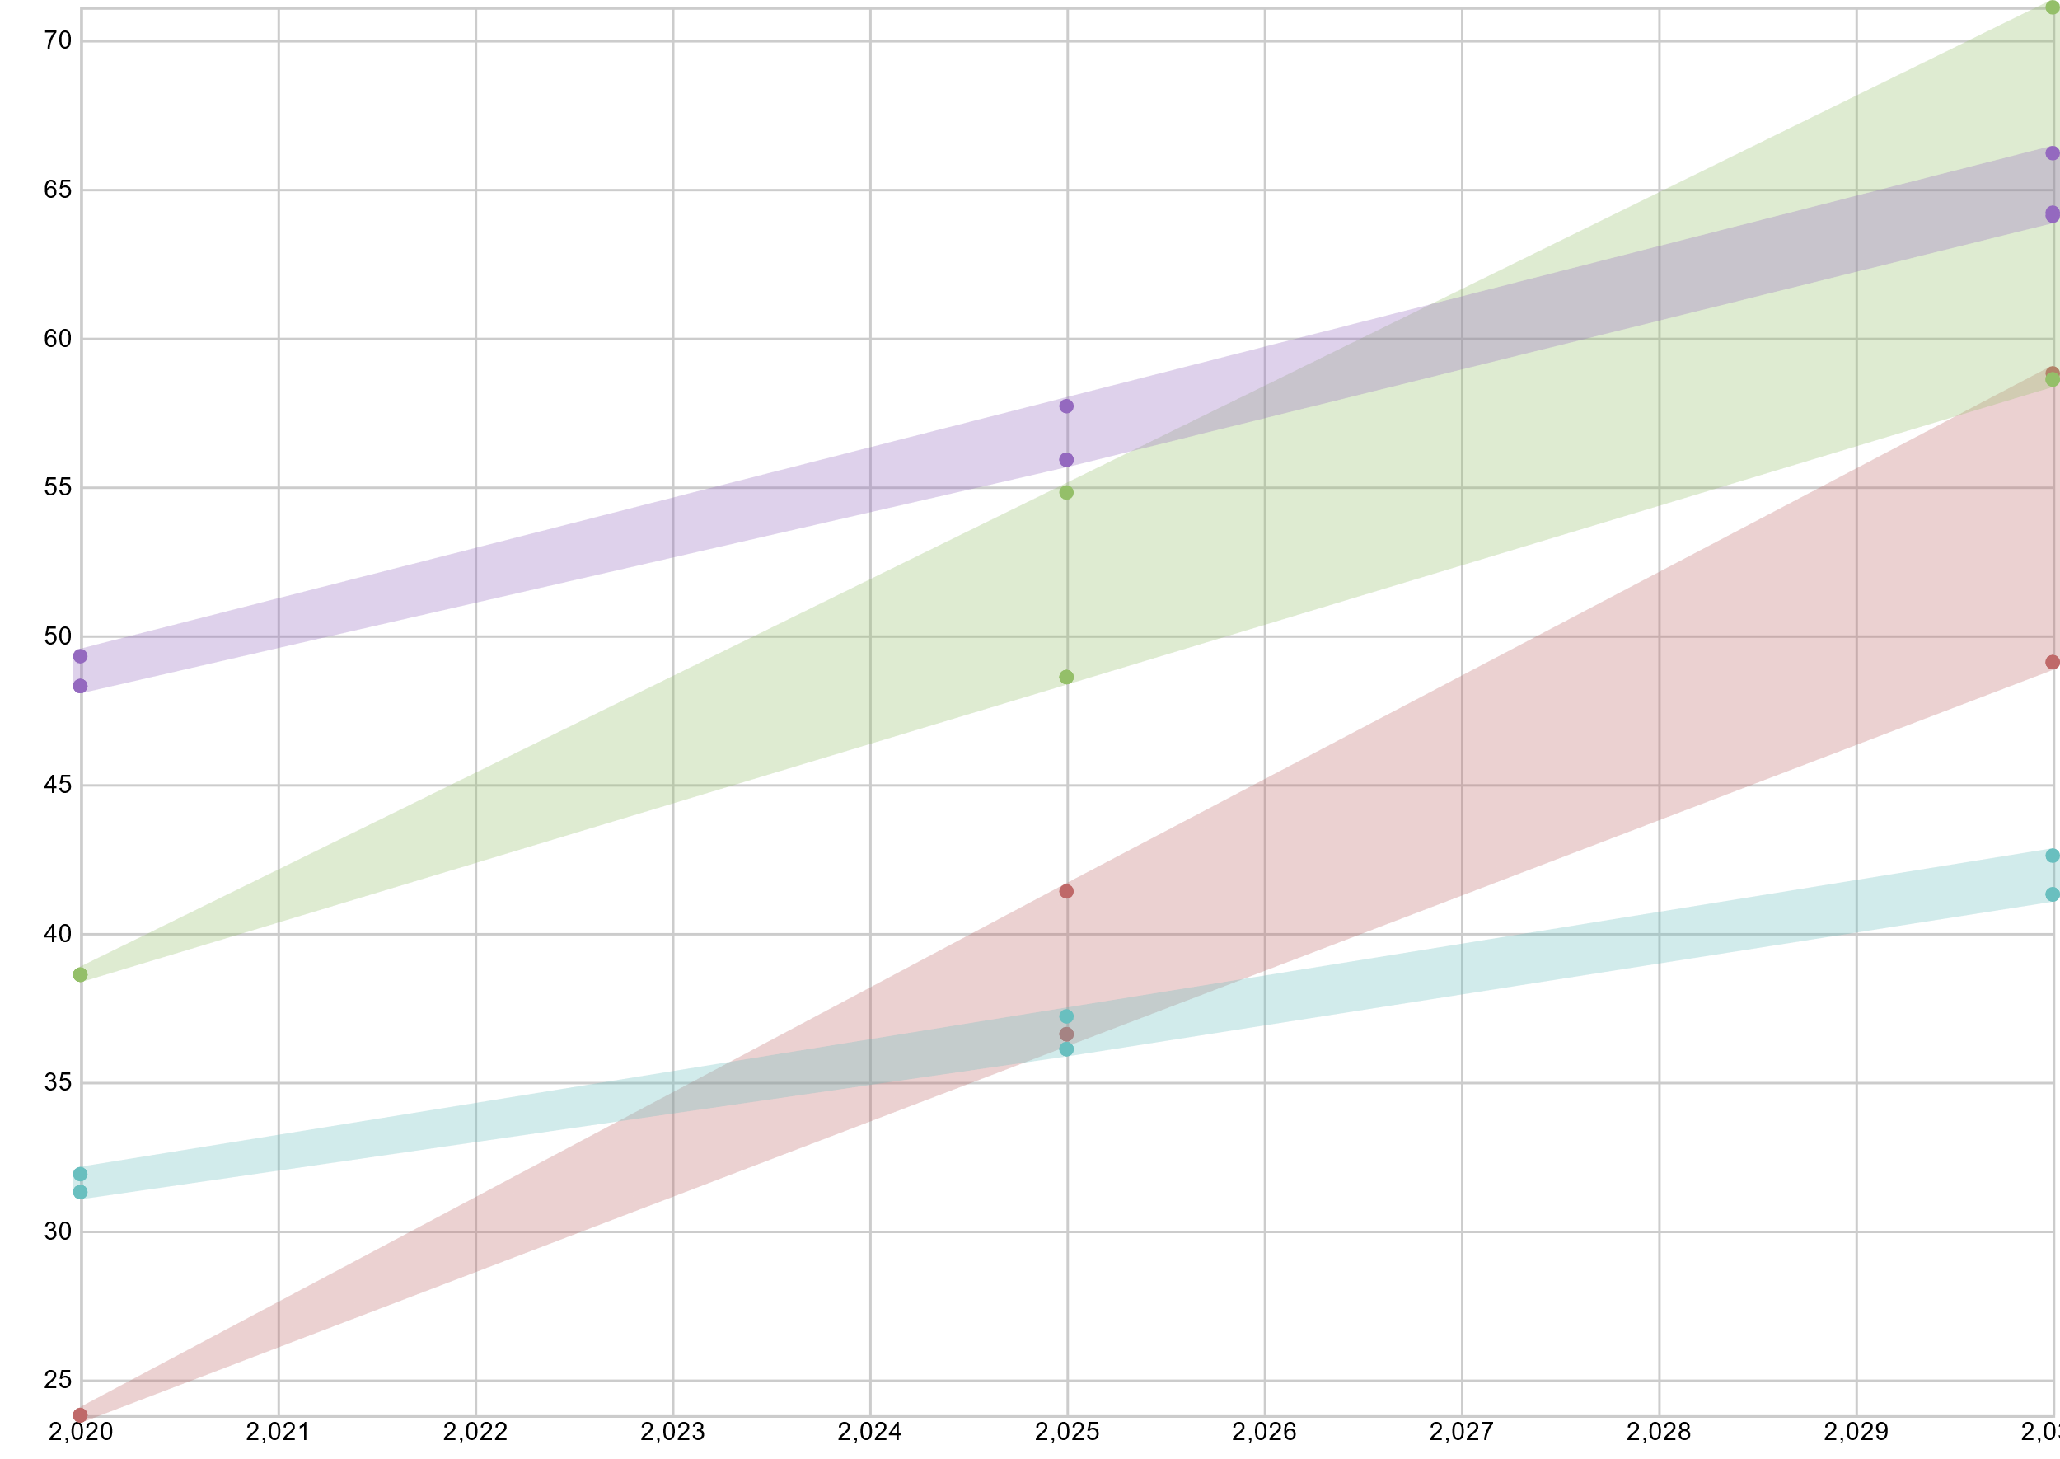 | 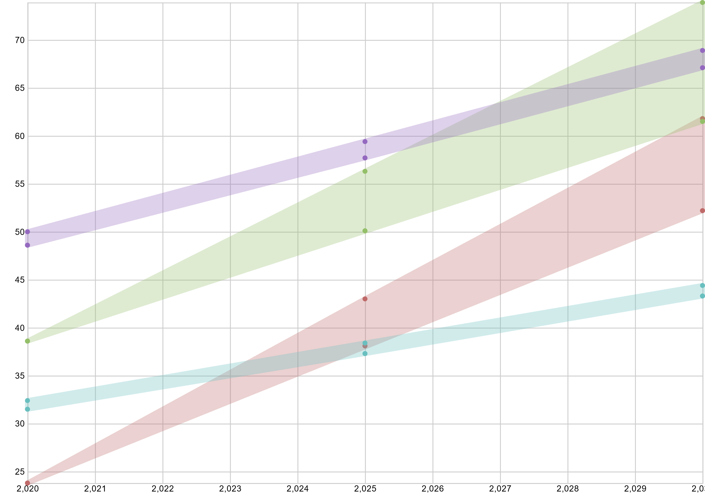

 | 0 | Ok so these charts seem to work - they show the ranges we were talking about. Each range has clear 3 points per year.
 | 1 | I know there is a problem with different scales on Y axis; I guess if we like what the charts say I will try to find a workaround for it…
 | 2 | Why the heck are co2-st and co2-dg so similar? (I double-checked plots)
 | 3 | and also the top row charts with a range already at 2020, while the bottom row has a sharp edge (i.e. small range) in 2020 and wide in 2030

 |  | maybe take HC out

